Section 1 & 2
1. DOCUMENT IDENTIFICATION

 | Document Identification
 | Project Name | Multirobot transport system, decentralized |  | Project No.
 | Version | 0 |  | Date | 2017-04-06

 |  | Name |  | Signature |  | Date
 | Lead Author | Bas Janssen
 | Reviewed by

 | Revision | Description |  | Changed by |  | Date
 | A | Initial Draft |  | S. Gomez |  | 04/11/2016

2.1 PROJECT INFORMATION

 | MACHINE INFORMATION
 | Machine Name: |  | UR5 DEMO CELL
 | Manufacturer: |  | UNIVERSAL ROBOTS
 | Machine Type: |  | Industrial Robot
 | Serial Number: |  | XXXXXXXXXX
 | Date of Manufacture: |  | MM-DD-YYYY
 | Machine Certification: |  | [CE or other certification]

 | DEVICE INFORMATION
 | Device Name: |  | Robotiq 2-Finger 85 Adaptive Gripper
 | Manufacturer: |  | Robotiq
 | Device Type: |  | Robotic Gripper
 | Serial Number: |  | XXXXXXXXXX
 | Date of Manufacture: |  | MM-DD-YYYY
 | Device Certification: |  | [CE or other certification]

 | ASSESSMENT PERSONNEL / ASSESSMENT DATE
 | Initial Risk Assessment
 | Lead Author: |  | Salvador Gomez |  | Date: | 04/11/2016

 | CUSTOMER PERSONNEL
 | Name: | Mario Turgeon |  | Function/ Job Title: |  | Aut. Engineer

2.2 MOTIVATION

 | Robotiq Inc. wants to develop a risk assessment guide for collaborative robots users. For this reason, Robotiq Inc. took information in a Pilz© documentation format to conduct a formal risk assessment on their UR5 demo cell . The cell is a force limited collaborative cell.
 | This risk assessment complies with the [enumerate applicable standards]. In addition, the collaborative cell aspects were assessed following the guidlines of the ISO. More particulary using the guidelines by the ISO/TS 15066 for the case of the Robotiq 2-Finger 85 Adaptive Gripper.
 | The construction, safeguarding, and risk sources were evaluated for compliance with applicable standards listed in this report.
 | This Risk Assessment has been carried out Using the Pilz methodology on 11 April 2016. Pilz does not take responsibility for the contents of this Risk assessment

2.3 METHOD OF RISK ANALYSIS

 | In accordance with ISO 12100, the risk assessment is implemented in a series of logical steps to enable a systematic examination of the hazards associated with machinery. Risk assessment is followed, whenever necessary by risk reduction as described in clause 6 of ISO 12100: 2010. When this process is repeated it gives an iterative process for eliminating hazards as far as possible and for implementing safety measures.
 | The risk assessment methodology approach includes: -- Risk analysis o Determination of limits o Hazard identification o Risk estimation -- Risk evaluation
 | The risk assessment provides the information required for the risk evaluation, which in turn allows judgements to be made on the safety of machinery.
 | The Diagram 1 shows the step-by-step process of risk analysis:
 | 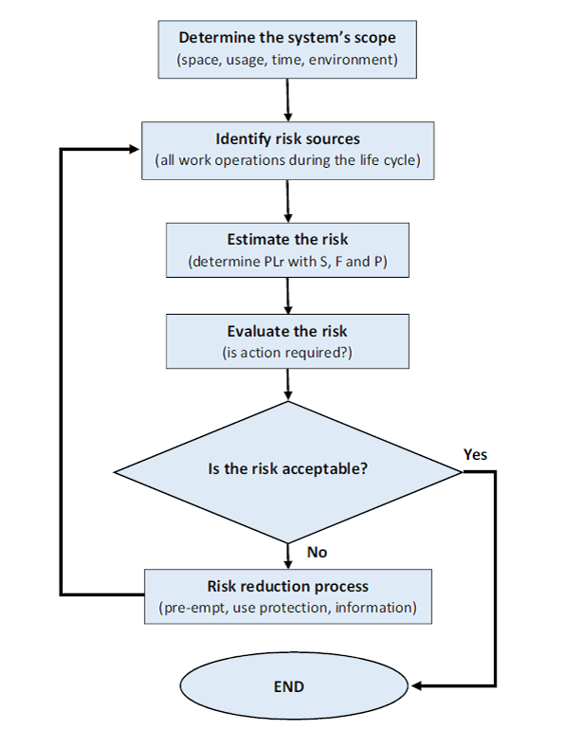
 | Diagram 1: Method of risk reduction

2.4 LIMIT OF REPORT

 | This risk assessment report is based on information that was accumulated during the on-site risk assessment of the [name of the cell] at [company name] on the [date].
 | This risk assessment for work equipment examines significant hazards where risk reduction measures still need to be applied.
 | The information was accumulated in the following fashion: 1. Discussions with [name of the departement] personnel 2. Reviewing all available machine technical information 3. Conducting a physical examination of the machine
 | In order to ensure the accuracy of the risk assessment for the machine, it is imperative that the information provided on the date of the risk assessment be correct and reliable. [name of risk assessment personnel] cannot take any responsibility for judgements made on inaccurate or lack of information.
 | The following technical information was made available for the [name of the cell]:

 | DOCUMENTATION EXAMINED
 | No. | Document Name |  | Type |  | Issue Date
 | XXXX | Universal Robots for UR5 User Manual |  | Operating Manual |  | Month/ Year
 | XXXX | Robotiq FT-300 User Manual |  | Operating Manual |  | Month/ Year
 | XXXX | Robotiq 2-Finger 85 User Manual |  | Operating Manual |  | Month/ Year

 | Every effort is made to evaluate the risk associated with each hazard identified throughout the report, however it may not be possible to quantify the risk with all hazards. When this is not possible the hazards are assessed in relation to their conformance with all relevant Legislation. Each hazard is identified individually throughout the report; the outcome from the accumulation of hazards has not been evaluated.
 | Human error and misuse related to areas such as incorrect feeding of the machine, incorrect use of materials and operator ability to operate the machine are not considered to be under the scope of this report. Only clear foreseen misuse of the machine was considered.
 | Due to practical reasons not all the machine lifecycle was examined as part of this report, the following phases were excluded: - Assembly Installation - Decommissioning - Disposal - Transport - Construction - Commissioning

Section 3
3. MACHINE ASSESSMENT

3.1 BASIC MACHINE DESCRIPTION

 | A system consisting of multiple robots, designed to transport products in an industrial environment. The robot(s) drive to a location in the environment to pick up a product, and drives to a different location to drop
 | the product off. The products are transported using product carriers that have a maximum dimension of 20x20x5 centimeters. The maximum allowed payload for the robot is 2 kilograms including the carriers.

3.2 MACHINE CONTROL SYSTEM DESCRIPTION

 | The robots run the Robot Operating System (ROS). This software stack is run on a standard laptop, mounted to the robot. The software is not inherently safe. The robots are equipped with a camera capable of RGB imaging and depth imaging. To robot is powered by two drive wheels.
 | [place photo here]

3.3 MACHINE SPECIFICATION

 | MACHINE LIMITS
 | Machine Name/Type |  | Turtlebot2
 | Intended Environment: |  | Research
 | Required Training Level: |  | Basic Training
 | Operated by: |  | Operator, Maintenance Technician
 | Intended Use: |  | Materiel Handling
 | Machine Lifetime: |  | 20 years
 | Machine Dimensions: |  | unspecified
 | Machine Environment: |  | Manufacturing environment, dry, clean, non explosive, non flammable.

 | OPERATIONAL AND MAINTENANCE INFORMATION
 | Operational Information
 | Emergency Stopping Time: |  | 5 seconds
 | Machine Cycle Time: |  | max speed 700mm/s per robot
 | No. of Operators: |  | Multiple, 1 or more per station
 | Maintenance Information
 | Maintened by: |  | Trained permanent staff
 | Maintenance Frequency: |  | Daily
 | Cleaning: |  | Operator
 | Jamming Repair: |  | Operator
 | Housekeeping: |  | Amount required to be specified in: Information for Use.

 | POWER SOURCES
 | Control, Elec. Supply: |  | 19V DC
 | Main Feed, Elec. Supply: |  | 19V DC
 | Penumatic Supply: |  | Not Applicable
 | Hydrualic Supply: |  | Not Applicable

3.4 DEVICE SPECIFICATION

 | DEVICE LIMITS
 | Device Name/Type |  | Unspecified carrier handler
 | Intended Environment: |  | Industrial
 | Required Training Level: |  | Basic Training
 | Operated by: |  | Operator, Maintenance Technician
 | Intended Use: |  | Material Handling
 | Device Lifetime: |  | unspecified
 | Device Dimensions: |  | unspecified
 | Device Environment: |  | Manufacturing environment, dry, clean, non explosive, non flammable.

 | OPERATIONAL AND MAINTENANCE INFORMATION
 | Operational Information
 | Emergency Stopping Time: |  | unspecified
 | Machine Cycle Time: |  | unspecified
 | No. of Operators: |  | none
 | Maintenance Information
 | Maintened by: |  | Trained permanent staff
 | Maintenance Frequency: |  | Daily
 | Cleaning: |  | Operator
 | Jamming Repair: |  | Operator
 | Housekeeping: |  | Degree required to be specified in the Information for Use.

 | POWER SOURCES
 | Control, Elec. Supply: |  | unspecified
 | Main Feed, Elec. Supply: |  | Not Applicable
 | Penumatic Supply: |  | Not Applicable
 | Hydrualic Supply: |  | Not Applicable

3.5 RISK ESTIMATION & EVALUATION CRITERIA

 | The Evaluation methodology is based on Pilz criteria and experience, an evaluation of the factors, Degree of Possible Harm (DPH), Probability of Occurrence of a Hazardous Event (PO), Possibility of Avoidance (PA) and Frequency and/or duration of Exposure (FE), and has been performed on the risk related with each hazard. A Pilz Hazard Rating has then been calculated from the following formula:
 | PHR = DPH x PO x PA x FE
 | Where the above parameters can take the following values:
 | Degree of Possible Harm (DPH) 0.25 Scratch / Bruise 0.5 Laceration / cut / mild ill health effect/ minor burns 3 Fracture minor bone – fingers, toes 5 Fracture major bone – hand, arm, leg 8 Loss of 1 or 2 fingers/ toes or major burns 11 Leg / hand amputation, partial loss of hearing or eye 15 Amputation of 2 legs/hands, total loss of hearing/sight in both ears/eyes 25 Critical injuries or permanent illness/condition/injury 40 Single Fatality 65 Catastrophe
 | Possibility of Occurrence of Hazard Event (PO) 0.05 Almost impossible 1.25 Unlikely 2.5 Possible 4 Probable 6 Certain
 | Possibility of Avoidance (PA) 0.75 Possible 2.5 Possible under certain circumstances 5 Not Possible
 | Frequency of Exposure (FE) 0.5 Annually 1 Monthly 2 Weekly 3 Daily 4 Hourly 5 Constantly
 | The maximum and minimum numerical values that could be assigned to each factor for every hazard are shown in the following table.

 | PHR |  | Risk |  | Comment
 |  | 1-10 | Negligible Risk |  | Presents practically no risk to health and safety, no further risk reduction measures are required.
 |  | 11-20 | Very Low Risk |  | Presents very little risk to health and safety, no significant risk reduction measures are required, may necessitate the use of personal protective equipment and/or training.
 |  | 21-45 | Low Risk |  | Risk to health and safety is present, but low. Risk reduction measures must be considered.
 |  | 46-160 | Significant Risk |  | The risk associated with the hazard is substantial enough to require risk reduction measures. These measures should be implemented at the next suitable opportunity.
 |  | 161-500 | High Risk |  | Potentially dangerous hazard, which requires risk reduction measures to be implemented urgently.
 |  | 501+ | Very high Risk |  | Risk reduction measures should be implemented immediately, corporate management should be notified.
 | Table X: PHR Numeric Range

 | After a complete examination of the machine based on applicable standards, a numerical value was determined for each factor while conducting the Risk Assessment and the Pilz Hazard Rating was calculated. The calculated number was then used to evaluate the risk associated with the hazard by comparison with predetermined acceptable levels.
 | The calculated Pilz Hazard Rating ranges from 1 to 9750 where 1 is the lowest showing minimum and 9750 is the highest risk.

3.6 Findings

 | Hazard Identification |  |  |  |  |  | Hazard No. | 1.1 | Hazard Identification |  |  |  |  |  | Hazard No. | 1.2 | Hazard Identification |  |  |  |  |  | Hazard No. | 1.3
 | Title | Falling over a robot and being hit in the limbs |  |  |  | 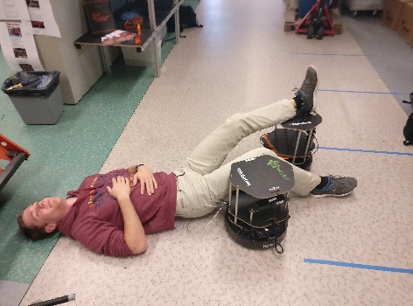 |  |  | Title | Getting pinnend between multiple robots |  |  |  | 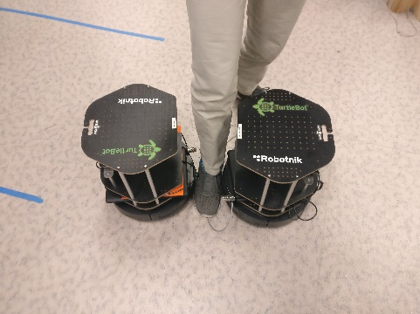 |  |  | Title | Getting pinnend between object and mulitple robots |  |  |  | 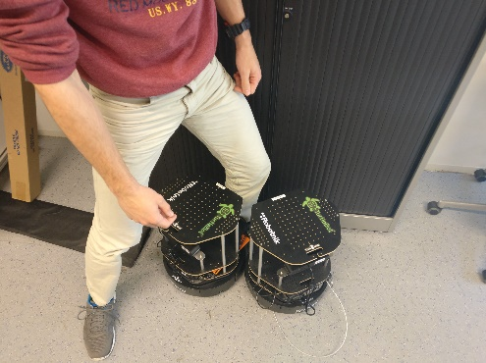
 | Location | Transport area |  |  |  |  |  |  | Location | Transport area |  |  |  |  |  |  | Location | Transport area
 | Target | Legs or arms |  |  |  |  |  |  | Target | Limbs |  |  |  |  |  |  | Target | Limbs
 | Activity | Normal operation |  |  |  |  |  |  | Activity | Normal operation |  |  |  |  |  |  | Activity | Normal operation
 | Task | Moving between target locations |  |  |  |  |  |  | Task | Moving between target locations |  |  |  |  |  |  | Task | Moving between target locations

 | Sub Task | Moving |  |  |  |  |  |  | Sub Task | Moving |  |  |  |  |  |  | Sub Task | loading and unloading

 | Hazard Type | Mechanical Hazard with the consequence of |  |  |  |  |  |  | Hazard Type | Mechanical Hazard with the consequence of |  |  |  |  |  |  | Hazard Type | Mechanical Hazard with the consequence of
 | Sub Type | Impact of the robot to the legs |  |  |  |  |  |  | Sub Type | Crushing limbs between robots. |  |  |  |  |  |  | Sub Type | Crushing Limb between robots and an object.
 | Description | The robot is moving between its target locations and runs into a human. The robot strikes the legs of the human, causing the human to fall from the impact and getting hit by an other robot in the legs or arms. |  |  |  |  |  |  | Description | The robots are moving between its target locations and run into a human. The robots causes the human limb to be stuck between the multiple robots. |  |  |  |  |  |  | Description | The robots are moving between its target locations and run into a human. The robots causes the human limb to be stuck between the multiple robots and an object.

 | References: |  | ISO/TS 15066, ISO 10218 |  |  |  |  |  | References: |  | ISO/TS 15066, ISO 10218 |  |  |  |  |  | References: |  | ISO/TS 15066, ISO 10218
 | Risk Estimation and Evaluation |  |  |  |  |  |  |  | Risk Estimation and Evaluation |  |  |  |  |  |  |  | Risk Estimation and Evaluation
 | Degree of Possible Harm: |  |  | 0.25 | Possibility of Avoidance: |  |  | 0.75 | Degree of Possible Harm: |  |  | 0.25 | Possibility of Avoidance: |  |  | 0.75 | Degree of Possible Harm: |  |  | 0.25 | Possibility of Avoidance: |  |  | 0.75
 | Probability of Occurance of a Hazardous Event: |  |  | 2.5 | Frequency And/or Duration of Exposure: |  |  | 5 | Probability of Occurance of a Hazardous Event: |  |  | 2.5 | Frequency And/or Duration of Exposure: |  |  | 5 | Probability of Occurance of a Hazardous Event: |  |  | 0.05 | Frequency And/or Duration of Exposure: |  |  | 5
 | Pilz Hazard Rating (PHR): |  |  | 2.34375 | Summary Level: |  | Negligible risk |  | Pilz Hazard Rating (PHR): |  |  | 2.34375 | Summary Level: |  | Negligible risk |  | Pilz Hazard Rating (PHR): |  |  | 0.046875 | Summary Level: |  | Negligible risk
 | Risk Reduction |  |  |  |  |  | Reference |  | Risk Reduction |  |  |  |  |  | Reference |  | Risk Reduction |  |  |  |  |  | Reference
 | Not necessary |  |  |  |  |  |  |  | Not necessary |  |  |  |  |  |  |  | Not necessary

 | Risk Estimation and Evaluation |  |  |  |  |  |  |  | Risk Estimation and Evaluation |  |  |  |  |  |  |  | Risk Estimation and Evaluation
 | Degree of Possible Harm: |  |  | n/a | Possibility of Avoidance: |  |  | n/a | Degree of Possible Harm: |  |  | n/a | Possibility of Avoidance: |  |  | n/a | Degree of Possible Harm: |  |  | n/a | Possibility of Avoidance: |  |  | n/a
 | Probability of Occurance of a Hazardous Event: |  |  | n/a | Frequency And/or Duration of Exposure: |  |  | n/a | Probability of Occurance of a Hazardous Event: |  |  | n/a | Frequency And/or Duration of Exposure: |  |  | n/a | Probability of Occurance of a Hazardous Event: |  |  | n/a | Frequency And/or Duration of Exposure: |  |  | n/a
 | Pilz Hazard Rating (PHR): |  |  | #VALUE! | Summary Level: |  | Negligible risk |  | Pilz Hazard Rating (PHR): |  |  | #VALUE! | Summary Level: |  | Negligible risk |  | Pilz Hazard Rating (PHR): |  |  | #VALUE! | Summary Level: |  | Negligible risk

 | Hazard Identification |  |  |  |  |  | Hazard No. | 1.4 | Hazard Identification |  |  |  |  |  | Hazard No. | 1.5 | Hazard Identification |  |  |  |  |  | Hazard No. | 1.6 | Hazard Identification |  |  |  |  |  | Hazard No. | 1.7
 | Title | Falling over a robot and hitting the head on a robot |  |  |  | 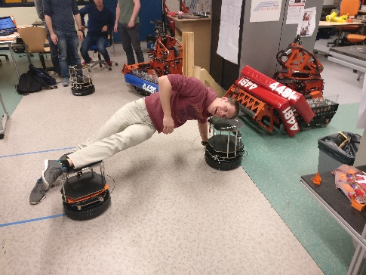 |  |  | Title | Falling over a robot and hitting the torso on a robot |  |  |  | 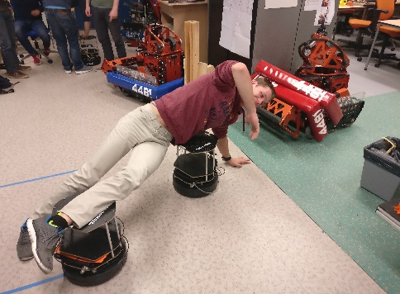 |  |  | Title | Getting pinnend between multiple robots |  |  |  | 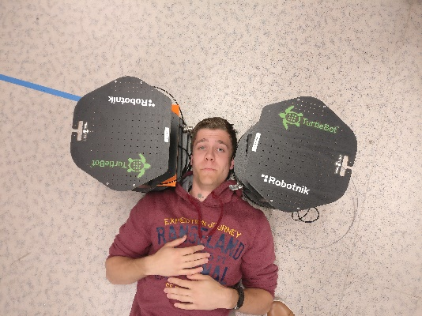 |  |  | Title | Getting pinnend between object and multiple robots |  |  |  | 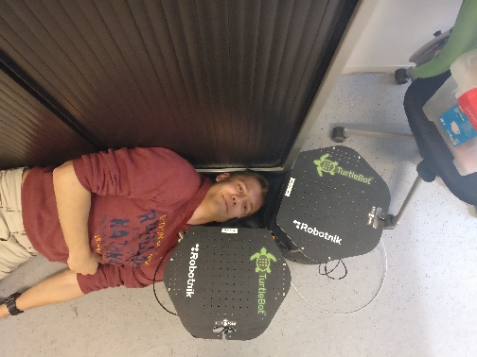
 | Location | Transport area |  |  |  |  |  |  | Location | Transport area |  |  |  |  |  |  | Location | Transport area |  |  |  |  |  |  | Location | Transport area
 | Target | Head |  |  |  |  |  |  | Target | Torso |  |  |  |  |  |  | Target | Head |  |  |  |  |  |  | Target | Head
 | Activity | Normal operation |  |  |  |  |  |  | Activity | Normal operation |  |  |  |  |  |  | Activity | Normal operation |  |  |  |  |  |  | Activity | Normal operation
 | Task | Moving between target locations |  |  |  |  |  |  | Task | Moving between target locations |  |  |  |  |  |  | Task | Moving between target locations |  |  |  |  |  |  | Task | Moving between target locations

 | Sub Task | Moving |  |  |  |  |  |  | Sub Task | Moving |  |  |  |  |  |  | Sub Task | Moving |  |  |  |  |  |  | Sub Task | loading and unloading

 | Hazard Type | Mechanical Hazard with the consequence of |  |  |  |  |  |  | Hazard Type | Mechanical Hazard with the consequence of |  |  |  |  |  |  | Hazard Type | Mechanical Hazard with the consequence of |  |  |  |  |  |  | Hazard Type | Mechanical Hazard with the consequence of
 | Sub Type | Impact of the head on the robot |  |  |  |  |  |  | Sub Type | Impact between torso and robot. |  |  |  |  |  |  | Sub Type | Crushing Head between robots. |  |  |  |  |  |  | Sub Type | Crushing Head between robots and an object.
 | Description | The robot is moving between its target locations and runs into a human. The robot strikes the legs of the human, causing the human to fall from the impact and hitting the head on an other robot. |  |  |  |  |  |  | Description | The robot is moving between its target locations and runs into a human. The robot strikes the legs of the human, causing the human to fall from the impact and hitting the torso on an other robot. |  |  |  |  |  |  | Description | The robots are moving between its target locations and run into a human. The robots causes the human head to be stuck between the multiple robots. |  |  |  |  |  |  | Description | The robots are moving between its target locations and run into a human. The robots causes the human head to be stuck between the multiple robots and an object.

 | References: |  | ISO/TS 15066, ISO 10218 |  |  |  |  |  | References: |  | ISO/TS 15066, ISO 10218 |  |  |  |  |  | References: |  | ISO/TS 15066, ISO 10218 |  |  |  |  |  | References: |  | ISO/TS 15066, ISO 10218
 | Risk Estimation and Evaluation |  |  |  |  |  |  |  | Risk Estimation and Evaluation |  |  |  |  |  |  |  | Risk Estimation and Evaluation |  |  |  |  |  |  |  | Risk Estimation and Evaluation
 | Degree of Possible Harm: |  |  | 40 | Possibility of Avoidance: |  |  | 0.75 | Degree of Possible Harm: |  |  | 5 | Possibility of Avoidance: |  |  | 0.75 | Degree of Possible Harm: |  |  | 0.25 | Possibility of Avoidance: |  |  | 2.5 | Degree of Possible Harm: |  |  | 0.25 | Possibility of Avoidance: |  |  | 2.5
 | Probability of Occurance of a Hazardous Event: |  |  | 0.05 | Frequency And/or Duration of Exposure: |  |  | 5 | Probability of Occurance of a Hazardous Event: |  |  | 0.05 | Frequency And/or Duration of Exposure: |  |  | 5 | Probability of Occurance of a Hazardous Event: |  |  | 2.5 | Frequency And/or Duration of Exposure: |  |  | 5 | Probability of Occurance of a Hazardous Event: |  |  | 2.5 | Frequency And/or Duration of Exposure: |  |  | 5
 | Pilz Hazard Rating (PHR): |  |  | 7.5 | Summary Level: |  | Negligible risk |  | Pilz Hazard Rating (PHR): |  |  | 0.9375 | Summary Level: |  | Negligible risk |  | Pilz Hazard Rating (PHR): |  |  | 7.8125 | Summary Level: |  | Negligible risk |  | Pilz Hazard Rating (PHR): |  |  | 7.8125 | Summary Level: |  | Negligible risk
 | Risk Reduction |  |  |  |  |  | Reference |  | Risk Reduction |  |  |  |  |  | Reference |  | Risk Reduction |  |  |  |  |  | Reference |  | Risk Reduction |  |  |  |  |  | Reference
 | Not necessary |  |  |  |  |  |  |  | Not necessary |  |  |  |  |  |  |  | Not necessary |  |  |  |  |  |  |  | Not necessary

 | Risk Estimation and Evaluation |  |  |  |  |  |  |  | Risk Estimation and Evaluation |  |  |  |  |  |  |  | Risk Estimation and Evaluation |  |  |  |  |  |  |  | Risk Estimation and Evaluation
 | Degree of Possible Harm: |  |  | n/a | Possibility of Avoidance: |  |  | n/a | Degree of Possible Harm: |  |  | n/a | Possibility of Avoidance: |  |  | n/a | Degree of Possible Harm: |  |  | n/a | Possibility of Avoidance: |  |  | n/a | Degree of Possible Harm: |  |  | n/a | Possibility of Avoidance: |  |  | n/a
 | Probability of Occurance of a Hazardous Event: |  |  | n/a | Frequency And/or Duration of Exposure: |  |  | n/a | Probability of Occurance of a Hazardous Event: |  |  | n/a | Frequency And/or Duration of Exposure: |  |  | n/a | Probability of Occurance of a Hazardous Event: |  |  | n/a | Frequency And/or Duration of Exposure: |  |  | n/a | Probability of Occurance of a Hazardous Event: |  |  | n/a | Frequency And/or Duration of Exposure: |  |  | n/a
 | Pilz Hazard Rating (PHR): |  |  | #VALUE! | Summary Level: |  | Negligible risk |  | Pilz Hazard Rating (PHR): |  |  | #VALUE! | Summary Level: |  | Negligible risk |  | Pilz Hazard Rating (PHR): |  |  | #VALUE! | Summary Level: |  | Negligible risk |  | Pilz Hazard Rating (PHR): |  |  | #VALUE! | Summary Level: |  | Negligible risk

 | Hazard Identification |  |  |  |  |  | Hazard No. | 1.8 | Hazard Identification |  |  |  |  |  | Hazard No. | 1.9 | Hazard Identification |  |  |  |  |  | Hazard No. | 1.1 | Hazard Identification |  |  |  |  |  | Hazard No. | 1.11
 | Title | Falling over a robot and being hit in the torso |  |  |  | 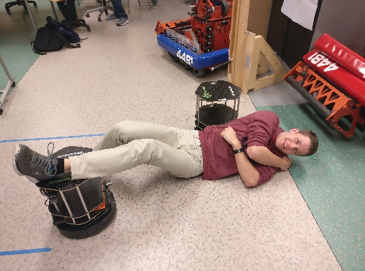 |  |  | Title | Falling over a robot and being hit in the head |  |  |  | 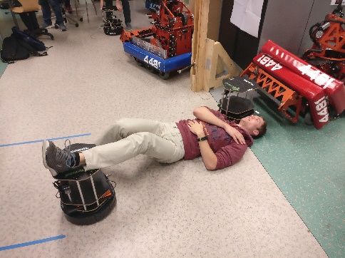 |  |  | Title | Getting pinnend between multiple robots |  |  |  | 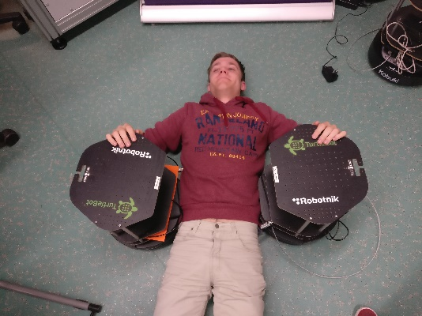 |  |  | Title | Getting pinnend between object and multiple robots |  |  |  | 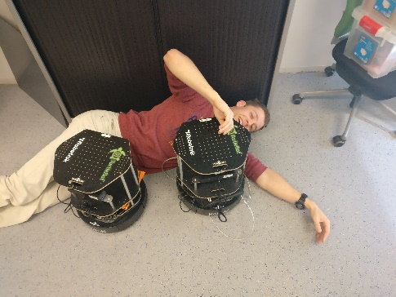
 | Location | Transport area |  |  |  |  |  |  | Location | Transport area |  |  |  |  |  |  | Location | Transport area |  |  |  |  |  |  | Location | Transport area
 | Target | Torso |  |  |  |  |  |  | Target | Head |  |  |  |  |  |  | Target | Torso |  |  |  |  |  |  | Target | Torso
 | Activity | Normal operation |  |  |  |  |  |  | Activity | Normal operation |  |  |  |  |  |  | Activity | Normal operation |  |  |  |  |  |  | Activity | Normal operation
 | Task | Moving between target locations |  |  |  |  |  |  | Task | Moving between target locations |  |  |  |  |  |  | Task | Moving between target locations |  |  |  |  |  |  | Task | Moving between target locations

 | Sub Task | Moving |  |  |  |  |  |  | Sub Task | Moving |  |  |  |  |  |  | Sub Task | Moving |  |  |  |  |  |  | Sub Task | loading and unloading

 | Hazard Type | Mechanical Hazard with the consequence of |  |  |  |  |  |  | Hazard Type | Mechanical Hazard with the consequence of |  |  |  |  |  |  | Hazard Type | Mechanical Hazard with the consequence of |  |  |  |  |  |  | Hazard Type | Mechanical Hazard with the consequence of
 | Sub Type | Impact between robot and torso. |  |  |  |  |  |  | Sub Type | Impact between robot and head. |  |  |  |  |  |  | Sub Type | Crushing torso between robots. |  |  |  |  |  |  | Sub Type | Crushing torso between robots and an object.
 | Description | The robot is moving between its target locations and runs into a human. The robot strikes the legs of the human, causing the human to fall from the impact and getting hit by an other robot in the torso. |  |  |  |  |  |  | Description | The robot is moving between its target locations and runs into a human. The robot strikes the legs of the human, causing the human to fall from the impact and getting hit by an other robot in the head. |  |  |  |  |  |  | Description | The robots are moving between its target locations and run into a human. The robots causes the human torso to be stuck between the multiple robots. |  |  |  |  |  |  | Description | The robots are moving between its target locations and run into a human. The robots causes the human torso to be stuck between the multiple robots and an object

 | References: |  | ISO/TS 15066, ISO 10218 |  |  |  |  |  | References: |  | ISO/TS 15066, ISO 10218 |  |  |  |  |  | References: |  | ISO/TS 15066, ISO 10218 |  |  |  |  |  | References: |  | ISO/TS 15066, ISO 10218
 | Risk Estimation and Evaluation |  |  |  |  |  |  |  | Risk Estimation and Evaluation |  |  |  |  |  |  |  | Risk Estimation and Evaluation |  |  |  |  |  |  |  | Risk Estimation and Evaluation
 | Degree of Possible Harm: |  |  | 0.25 | Possibility of Avoidance: |  |  | 2.5 | Degree of Possible Harm: |  |  | 0.25 | Possibility of Avoidance: |  |  | 2.5 | Degree of Possible Harm: |  |  | 0.25 | Possibility of Avoidance: |  |  | 2.5 | Degree of Possible Harm: |  |  | 0.25 | Possibility of Avoidance: |  |  | 2.5
 | Probability of Occurance of a Hazardous Event: |  |  | 2.5 | Frequency And/or Duration of Exposure: |  |  | 5 | Probability of Occurance of a Hazardous Event: |  |  | 2.5 | Frequency And/or Duration of Exposure: |  |  | 5 | Probability of Occurance of a Hazardous Event: |  |  | 2.5 | Frequency And/or Duration of Exposure: |  |  | 5 | Probability of Occurance of a Hazardous Event: |  |  | 2.5 | Frequency And/or Duration of Exposure: |  |  | 5
 | Pilz Hazard Rating (PHR): |  |  | 7.8125 | Summary Level: |  | Negligible risk |  | Pilz Hazard Rating (PHR): |  |  | 7.8125 | Summary Level: |  | Negligible risk |  | Pilz Hazard Rating (PHR): |  |  | 7.8125 | Summary Level: |  | Negligible risk |  | Pilz Hazard Rating (PHR): |  |  | 7.8125 | Summary Level: |  | Negligible risk
 | Risk Reduction |  |  |  |  |  | Reference |  | Risk Reduction |  |  |  |  |  | Reference |  | Risk Reduction |  |  |  |  |  | Reference |  | Risk Reduction |  |  |  |  |  | Reference
 | Not necessary |  |  |  |  |  |  |  | Not necessary |  |  |  |  |  |  |  | Not necessary |  |  |  |  |  |  |  | Not necessary

 | Risk Estimation and Evaluation |  |  |  |  |  |  |  | Risk Estimation and Evaluation |  |  |  |  |  |  |  | Risk Estimation and Evaluation |  |  |  |  |  |  |  | Risk Estimation and Evaluation
 | Degree of Possible Harm: |  |  | n/a | Possibility of Avoidance: |  |  | n/a | Degree of Possible Harm: |  |  | n/a | Possibility of Avoidance: |  |  | n/a | Degree of Possible Harm: |  |  | n/a | Possibility of Avoidance: |  |  | n/a | Degree of Possible Harm: |  |  | n/a | Possibility of Avoidance: |  |  | n/a
 | Probability of Occurance of a Hazardous Event: |  |  | n/a | Frequency And/or Duration of Exposure: |  |  | n/a | Probability of Occurance of a Hazardous Event: |  |  | n/a | Frequency And/or Duration of Exposure: |  |  | n/a | Probability of Occurance of a Hazardous Event: |  |  | n/a | Frequency And/or Duration of Exposure: |  |  | n/a | Probability of Occurance of a Hazardous Event: |  |  | n/a | Frequency And/or Duration of Exposure: |  |  | n/a
 | Pilz Hazard Rating (PHR): |  |  | #VALUE! | Summary Level: |  | Negligible risk |  | Pilz Hazard Rating (PHR): |  |  | #VALUE! | Summary Level: |  | Negligible risk |  | Pilz Hazard Rating (PHR): |  |  | #VALUE! | Summary Level: |  | Negligible risk |  | Pilz Hazard Rating (PHR): |  |  | #VALUE! | Summary Level: |  | Negligible risk

3.7 Priority Listing

 | Priority | Hazard No. | Hazard Name |  | PHR | Risk Level
 | 1 | 1.3 | Part dropping |  | 75 | Significant Risk
 | 2 | 1.2 | Part grasping |  | 12.5 | Very Low Risk
 | 3 | 1.1 | Part detection |  | 1.875 | Negligible Risk
 | 4 | … | … |  | … | …
 | 5

3.8 Risk Reduction

 | Due to the hazards detailed in the earlier section 3.6 Findings, it is necessary to carry out a risk reduction for each hazard where the estimated risk is determined to be unacceptable as detailed in the findings.
 | After the required safety measures are implemented it will be necessary to ensure that the risk posed by each hazard has been reduced to the level specified in this document by performing a final risk evaluation.
 | On completion of the risk reduction measures and the final risk evaluation, the residual risk associated with all hazards will have to be assessed and documented as part of the risk assessment report. This is the possible risk that a hazard may possess even after risk reduction measures have been implemented due to the fact that it was not possible to design a complete safety solution to eradicate the risk.
 | In order to inform the user of these residual risks related with the machine that have not been reduced by the design of contra measures, special indications should be included in the operator procedure documentation and warnings should be placed on the machine.

4 Conclusion

 | Overall, the force limited collaborative mode operation can attain the risk level required for compliance to the ISO/TS 15066, however some of the risk sources listed in section 3.5 and 3.6 requires further risk reduction.
 | The overall changes required may be summarized as follows:
 | Reduce the robot force setting in the safety settings …
 | Québec City, Qc, CAN
 | 11 April 2016

